GUI CGI SPEC
Xmind
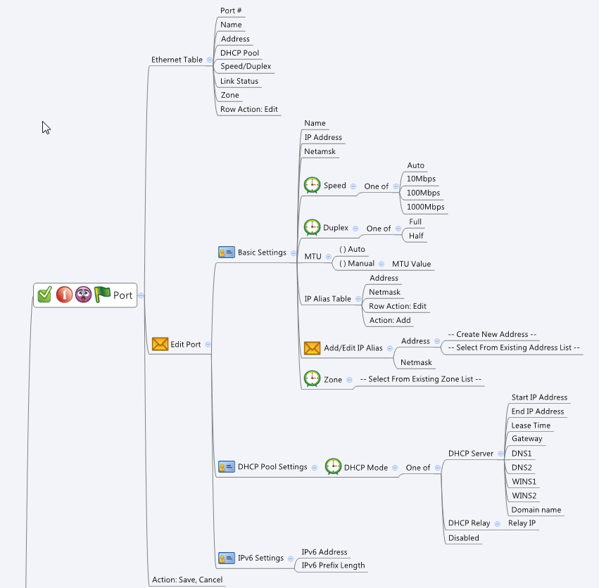

Behavior
# "Name" is not configurable and should always be grayed out
# If user did not fill both "IP Address" and "Netmask", gray out "IP Alias Table"
# If a port belongs to either a bridge or WAN interface, gray out the "IP Address", "Netmask", "Zone" and IP Alias Table, and "Add" button of IP Alias Table, and DHCP type and IPv6 settings. Only Speed, Duplex, Flow Control, MTU are configurable
# When "Speed" is set to "Auto", gray out "Duplex" and set it to "Full"
# When "Speed" is set to "1000Mbps", gray out "Duplex" and set it to "Full"
# When "MTU" is set to "Auto", gray out "MTU Value" input field
# If a port belongs to either a bridge or WAN interface, make its IP addresses unconfiguation
# End IP must greater than Start IP
# IP alias addresses should be choose from the common_ip_list cgi. They must be "Host" type.
# Hide the corresponding DHCP options according to DHCP server types
# Limitations: Max port Table Size = 8
# Limitations: Max number of IP alias per port = 8
# Have an alert(not block) if user set a MTU lower than 1280bytes when ipv6 enable. "MTU setting lower than minimum IPv6 link MTU, IPv6 function won't work "
[UI Display Name] | [CGI Name] | [JSON Name] | [Description] | Range / Default Value / Units
Ethernet Table: |  |  |  | Table size: 8
N/A | port.cgi | guiPortIfTNum | int
N/A | port.cgi | guiPortIfT.gid | unique numeric ID
Port # | port.cgi | guiPortIfT.port | int, index (1~8)
Name | port.cgi | guiPortIfT.name | All viewable ASCII code except (whitespace) ‘ ` “ % ? | Length: 15 (not configurable)
N/A | port.cgi | guiPortIfT.type | 0: LAN, 1: WAN, 2: Bridged | Default: 2
Address | port.cgi | guiPortIfT.address | IPv4 address
DHCP Pool | port.cgi | guiPortIfT.dhcpPool | All viewable ASCII code except (whitespace) ‘ ` “ % ? , name of the IP address object
Speed | port.cgi | guiPortIfT.speed | 10,100, 1000 or 0 (auto) | Default: 0
Duplex | port.cgi | guiPortIfT.duplex | full duplex (0) or half duplex (1) | Default: 0
Link Status | port.cgi | guiPortIfT.linkStatus | Down (0) or Up (1)
Zone | port.cgi | guiPortIfT.zoneId | unique numeric ID of the zoneIf object. Display its name on GUI
N/A | port.cgi | guiPortIfT.cgiAction | int: 0:none, 1:add, 2:update, 3:delete

Basic Settings:
Name | port.cgi | guiPortIfT.name | All viewable ASCII code except (whitespace) ‘ ` “ % ? | Length: 15 (not configurable)
IP Address | port.cgi | guiPortIfT.address | IPv4 address
Netmask | port.cgi | guiPortIfT.netmask | IPv4 netmask
Speed | port.cgi | guiPortIfT.speed | 10,100, 1000 or 0 (auto) | Default: 0
Duplex | port.cgi | guiPortIfT.duplex | full duplex (0) or half duplex (1) | Default: 0
Flow Control | port.cgi | guiPortIfT.flowControl | disabled (0) or enabled (1) | Default: 0
MTU | port.cgi | guiPortIfT.mtuMode | Auto (0) or Manual (1) | Default: 0
MTU Value | port.cgi | guiPortIfT.mtuValue | int, 68 ~ 1500 | Range: 576~1500, Default: 1500, Units: Bytes If IPv6 is enabled, the range is changed to 1280 ~ 1500. If the original mtu is less than 1280, it will be set to 1280.
Zone | port.cgi | guiPortIfT.zoneId | unique numeric ID of the zoneIf object. Display its name on GUI

IP Alias Table: |  |  |  | Table size: 32
N/A | port.cgi | guiIpAliasTNum | int
N/A | port.cgi | guiIpAliasT.ipAliasCnt | int
Address | port.cgi | guiIpAliasT.address | List of ip object gid. Get information from common_ip_list. Display its IP address on GUI. It must be Host type.
Netmask | port.cgi | guiIpAliasT.netmask | List of IPv4 netmask

DHCP Pool Settings: | port.cgi
N/A | port.cgi | guiDhcpsTNum | int
N/A | port.cgi | guiDhcpsT.gid | unique numeric ID
DHCP Type | port.cgi | guiPortIfT.dhcpType | Disable (0), DHCP server (1) or DHCP Relay (2)
Start IP Address | port.cgi | guiDhcpsT.startIp | IPv4 address
End IP Address | port.cgi | guiDhcpsT.endIp | IPv4 address
Lease Time | port.cgi | guiDhcpsT.leaseTime | int, unit is second | Range:1800-86400 , Default:86400, Unit: second
Gateway | port.cgi | guiDhcpsT.gateway | IPv4 address
DNS1 | port.cgi | guiDhcpsT.dns1 | IPv4 address
DNS2 | port.cgi | guiDhcpsT.dns2 | IPv4 address
WINS1 | port.cgi | guiDhcpsT.wins1 | IPv4 address
WINS2 | port.cgi | guiDhcpsT.wins2 | IPv4 address
Domain name | port.cgi | guiDhcpsT.domainName | FQDN string
N/A | port.cgi | guiDhcprT.gid | unique numeric ID
Relay IP | port.cgi | guiDhcprT.relayIp | IPv4 address

IPv6 Settings | port.cgi
IPv6 Address | port.cgi | guiPortIfT.ipv6Address | ipv6 address
IPv6 Prefix Length | port.cgi | guiPortIfT.ipv6PrefixLength | int, 0~128

N/A | common_zoneIf_list.cgi | guiZoneIfT.gid | int, unique id of zone object
N/A | common_zoneIf_list.cgi | guiZoneIfT.name | All viewable ASCII code except (whitespace) ‘ ` “ % ?
N/A | common_zoneIf_list.cgi | guiZoneIfT.userDefined | 0: Not user defined, 1: User defined
N/A | common_zoneIf_list.cgi | guiZoneIfT.seurityLevel | int

JSON String
port.cgi
## GET & POST for get previous settings ##
{
"guiPortIfTNum": "8",
"guiPortIfT": [
{
"gid": 1001,
"port": 1,
"name": "GE1",
"type": 1,
"address": "1.2.3.4",
"netmask": "255.255.255.0",
"dhcpPool": "GE1_DHCP_POOL",
"speed": 1000,
"duplex": 0,
"flowControl": 0,
"mtuMode": 0,
"mtuValue": 1500,
"linkStatus": 1,
"zoneId": 9990,
"ipv6Address":"fd7a:b34f:1e85::1",
"ipv6PrefixLength":64,
"cgiAction": 0
},
{
"gid": 1002,
"port": 2,
"name": "GE2",
"type": 0,
"address": "1.2.3.5",
"netmask": "255.255.255.0",
"dhcpPool": "",
"speed": 1000,
"duplex": 0,
"flowControl": 0,
"mtuMode": 0,
"mtuValue": 1500,
"linkStatus": 1,
"zoneId": 9990,
"ipv6Address":"fd7a:b3aa:1e20::1",
"ipv6PrefixLength":64,
"cgiAction": 0
},
{
"gid": 1003,
"port": 3,
"name": "GE3",
"type": 0,
"address": "1.2.3.6",
"netmask": "255.255.255.0",
"dhcpPool": "",
"speed": 1000,
"duplex": 0,
"flowControl": 0,
"mtuMode": 0,
"mtuValue": 1500,
"linkStatus": 1,
"zoneId": 9990,
"ipv6Address":"fd7a:be3f:1a8d::1",
"ipv6PrefixLength":64,
"cgiAction": 0
},
{
"gid": 1004,
"port": 4,
"name": "GE4",
"type": 0,
"address": "1.2.3.10",
"netmask": "255.255.255.0",
"dhcpPool": "",
"speed": 1000,
"duplex": 0,
"flowControl": 0,
"mtuMode": 0,
"mtuValue": 1500,
"linkStatus": 1,
"zoneId": 9990,
"ipv6Address":"fde3:b56f:1125::1",
"ipv6PrefixLength":64,
"cgiAction": 0
},
{
"gid": 1005,
"port": 5,
"name": "GE5",
"type": 0,
"address": "1.2.5.4",
"netmask": "255.255.255.0",
"dhcpPool": "",
"speed": 1000,
"duplex": 0,
"flowControl": 0,
"mtuMode": 0,
"mtuValue": 1500,
"linkStatus": 1,
"zoneId": 9990,
"ipv6Address":"fd7a:b324:1e21::1",
"ipv6PrefixLength":64,
"cgiAction": 0
},
{
"gid": 1006,
"port": 6,
"name": "GE6",
"type": 0,
"address": "1.6.3.4",
"netmask": "255.255.255.0",
"dhcpPool": "",
"speed": 1000,
"duplex": 0,
"flowControl": 0,
"mtuMode": 0,
"mtuValue": 1500,
"linkStatus": 1,
"zoneId": 9990,
"ipv6Address":"fd7a:b34a:3483::1",
"ipv6PrefixLength":64,
"cgiAction": 0
},
{
"gid": 1007,
"port": 7,
"name": "GE7",
"type": 0,
"address": "7.2.3.4",
"netmask": "255.255.255.0",
"dhcpPool": "",
"speed": 1000,
"duplex": 0,
"flowControl": 0,
"mtuMode": 0,
"mtuValue": 1500,
"linkStatus": 1,
"zoneId": 9990,
"ipv6Address":"fd7a:b3af:1e23::1",
"ipv6PrefixLength":64,
"cgiAction": 0
},
{
"gid": 1008,
"port": 8,
"name": "GE8",
"type": 0,
"address": "1.8.3.4",
"netmask": "255.255.255.0",
"dhcpPool": "",
"speed": 1000,
"duplex": 0,
"flowControl": 0,
"mtuMode": 0,
"mtuValue": 1500,
"linkStatus": 1,
"zoneId": 9990,
"ipv6Address":"fd7a:5553:1eaa::1",
"ipv6PrefixLength":64,
"cgiAction": 0
}
],
"guiIpAliasTNum": 8,
"guiIpAliasT": [
{
"ipAliasCnt": 2,
"address": "9000;9001",
"netmask": "255.255.255.0;255.0.0.0"
},
{
"ipAliasCnt": 1,
"address": "9002",
"netmask": "255.255.0.0"
},
{
"ipAliasCnt": 0,
"address": "",
"netmask": ""
},
{
"ipAliasCnt": 0,
"address": "",
"netmask": ""
},
{
"ipAliasCnt": 0,
"address": "",
"netmask": ""
},
{
"ipAliasCnt": 0,
"address": "",
"netmask": ""
},
{
"ipAliasCnt": 0,
"address": "",
"netmask": ""
},
{
"ipAliasCnt": 0,
"address": "",
"netmask": ""
}
],
"guiDhcpsTNum": 8,
"guiDhcpsT": [
{
"gid": 2000,
"type": 1,
"startIp": "1.2.3.100",
"endIp": "1.2.3.200",
"relayIp": "",
"leaseTime": "1440",
"gateway": "1.2.3.4",
"dns1": "8.8.8.8",
"dns2": "",
"wins1": "",
"wins2": "",
"domainName": "myDomain"
},
{
"gid": 2001,
"type": 2,
"startIp": "",
"endIp": "",
"relayIp": "1.2.3.4",
"leaseTime": "",
"gateway": "",
"dns1": "",
"dns2": "",
"wins1": "",
"wins2": "",
"domainName": ""
},
{
"gid": 2002,
"type": 0,
"startIp": "",
"endIp": "",
"relayIp": "",
"leaseTime": "",
"gateway": "",
"dns1": "",
"dns2": "",
"wins1": "",
"wins2": "",
"domainName": ""
},
{
"gid": 2003,
"type": 0,
"startIp": "",
"endIp": "",
"relayIp": "",
"leaseTime": "",
"gateway": "",
"dns1": "",
"dns2": "",
"wins1": "",
"wins2": "",
"domainName": ""
},
{
"gid": 2004,
"type": 0,
"startIp": "",
"endIp": "",
"relayIp": "",
"leaseTime": "",
"gateway": "",
"dns1": "",
"dns2": "",
"wins1": "",
"wins2": "",
"domainName": ""
},
{
"gid": 2005,
"type": 0,
"startIp": "",
"endIp": "",
"relayIp": "",
"leaseTime": "",
"gateway": "",
"dns1": "",
"dns2": "",
"wins1": "",
"wins2": "",
"domainName": ""
},
{
"gid": 2006,
"type": 0,
"startIp": "",
"endIp": "",
"relayIp": "",
"leaseTime": "",
"gateway": "",
"dns1": "",
"dns2": "",
"wins1": "",
"wins2": "",
"domainName": ""
},
{
"gid": 2007,
"type": 0,
"startIp": "",
"endIp": "",
"relayIp": "",
"leaseTime": "",
"gateway": "",
"dns1": "",
"dns2": "",
"wins1": "",
"wins2": "",
"domainName": ""
}
]
}
common_zoneIf_list.cgi
## GET for get previous settings ##
{
"guiZoneIfTNum":2, "guiZoneIfT":[{"gid":9990, "name":"Zone1", "userDefined":1, "securityLevel":0}, {"gid":9999, "name":"Zone2", "userDefined":1, "securityLevel":0}]
}
## NO POST Method

## cgi name ##
common_ip_list.cgi
## GET methods ##
{
"guiIpTNum": 3,
"guiIpT": [
{
"gid": 9000,
"name": "GE1_Alias1",
"userDefined": 1,
"type": 1,
"startIp": "1.1.1.1",
"endIp": "1.1.1.254",
"netmask": ""
}
{
"gid": 9001,
"name": "GE1_Alias2",
"userDefined": 1,
"type": 1,
"startIp": "1.1.1.2",
"endIp": "1.1.1.254",
"netmask": ""
}
{
"gid": 9002,
"name": "GE2_Alias1",
"userDefined": 1,
"type": 1,
"startIp": "2.2.2.1",
"endIp": "2.2.2.254",
"netmask": ""
}
]
}

